MDA Summary
Sample | Stratigraphic level in Horton et al. (2001) Chuquichambi section (m) | Stratigraphic level in Horton et al. (2001) Chuquichambi section (km) | Pmag Age (Ma) | MDA (wighted mean MSWD ~1, Ma) | 2sigma | n | MDA (Maximum Likelihood, Ma) | 2sigma | MDA (Gaussian fit to youngest PDP peak, Ma) | 2sigma
300618-07 | 6690 | 6.69 | 20.433246004 | 23 | 0.82 | 331 | 23.43 | 1.61 | 23.1 | 2.001
300618-06 | 4125 | 4.125 | 27.207792266 | 29 | 0.59 | 327 | 29.16 | 1.16 | 28.82 | 2.909
300618-05 | 2775 | 2.775 | 29.175566187 | 27.2 | 1.6 | 392 | 28.03 | 2.76 | 27 | 1.551
CQT-2 | 2439 | 2.439 | 29.592418414 | 86.348499177 | 1.8012280283 | 69 | 86.3 | 1.77 | 86.3 | 1.499
CQT-5 | 2092 | 2.092 | 30.239761532 | 74.228343648 | 0.97419498559 | 73 | 74.2 | 0.98 | 74.23 | 0.7041
300618-04 | 727 | 0.727 | 33.208966667 | 35.1 | 1.38 | 337 | 37.89 | 1.73 | 37.4 | 2.102
300618-03 | 530 | 0.53 | 33.723125 | 39.5 | 1.7 | 333 | 40.58 | 3.49 | 39.8 | 2.167
300618-02 | 175 | 0.175 | 35.876487805 | 39.1 | 1.7 | 345 | 43.55 | 2.24 | 39.7 | 1.167
CQT-1 | 163 | 0.163 | 35.814348066 | 78.015621302 | 3.1018180784 | 74 | 78 | 3.14 | 78 | 1.67
300618-01 | -50 | -0.05 | N/A | 38 | 1.8 | 341 | 39.84 | 3.75 | 39.9 | 3.855
290618-02 | -700 | -0.7 | N/A | 35.4 | 0.5 | 312 | 36.27 | 0.99 | 35.54 | 4.674

Integrated Chronology
Magnetostratigraphy |  | DZ |  |  | Palynology |  |  |  |  | 40Ar/39Ar
Age (Ma) | Stratigraphic Height (km) | Detrital zircon U-Pb MDA |  | Stratigraphic Height | Range top (Ma) | Range Bottom (Ma) | Midpoint | Uncertained | km | age (Ma) | 2sigma | km
36.7 | 0.0395 | 23 | 0.82 | 6.69 | 41.2 | 27.82 | 34.51 | 6.69 | 0.079 | 22 | 1.8 | 6.445
36.051 | 0.13 | 29 | 0.59 | 4.125 | 41.2 | 33.9 | 37.55 | 3.65 | 2.074 | 20 | 0.7 | 6.927
35.892 | 0.171 | 27.2 | 1.6 | 2.775 | 41.2 | 23.03 | 32.115 | 9.085 | 2.128 | 19.93 | 0.14 | 6.949
35.706 | 0.19 | 86.348499177 | 1.8012280283 | 2.439 | 41.2 | 33.9 | 37.55 | 3.65 | 2.298 | 19.1 | 0.7 | 7.127
35.294 | 0.2105 | 74.228343648 | 0.97419498559 | 2.092 | 33.9 | 23.03 | 28.465 | 5.435 | 4.513 | 19.01 | 0.64 | 7.336
34.999 | 0.2705 | 35.1 | 1.38 | 0.727
33.705 | 0.6005 | 39.5 | 1.7 | 0.53
33.157 | 0.776 | 39.1 | 1.7 | 0.175
31.034 | 1.68 | 78.015621302 | 3.1018180784 | 0.163
30.591 | 1.9098 | 38 | 1.8 | -0.05
29.97 | 2.2389 | 35.4 | 0.5 | -0.7
29.527 | 2.51245
29.477 | 2.5682
29.183 | 2.7699
25.987 | 4.51715
25.099 | 4.66145
24.984 | 4.70445
24.761 | 4.8858
24.474 | 5.0194
23.962 | 5.19805
23.295 | 5.50745
23.233 | 5.5467
23.03 | 5.62565
22.902 | 5.6743
22.754 | 5.7031
22.564 | 5.7631
22.268 | 5.8428
21.767 | 6.02695
20.709 | 6.46955
20.439 | 6.6854
20.213 | 6.8168
20.04 | 6.8922
19.722 | 7.04265
18.748 | 7.3504

290618-02
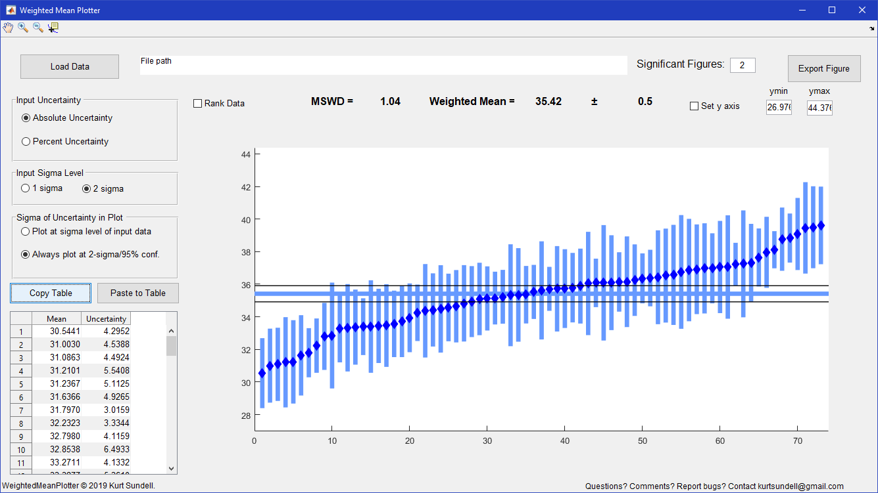
Age | 2Sigma | MDA | 2sigma
30.544093 | 4.295168274 | 35.4 | 0.5
31.00302461 | 4.538810459
31.08628266 | 4.49236254
31.21006247 | 5.54077261
31.23668309 | 5.112489331
31.63664414 | 4.926504549
31.79701407 | 3.015938554
32.23232832 | 3.334389449
32.79802875 | 4.115931576
32.85381317 | 6.493266889
33.27111281 | 4.133184397
33.32773491 | 5.360952104
33.36948827 | 4.606855745
33.39419388 | 3.483299742
33.40331686 | 5.676073087
33.44407794 | 4.557414921
33.46306162 | 5.072996395
33.56694642 | 4.080350885
33.72418857 | 4.389958309
33.94016562 | 4.21978115
34.24598757 | 3.461883198
34.36881518 | 5.732863611
34.42121448 | 4.490289849
34.48499166 | 5.359423311
34.57615132 | 4.148685439
34.64919509 | 4.437711559
34.82996189 | 4.686130105
34.93300251 | 4.35240363
35.09614372 | 4.445202249
35.12935929 | 3.935561483
35.15059227 | 3.233755983
35.22972894 | 3.304583835
35.32446639 | 6.250720417
35.34359161 | 5.742206219
35.35720516 | 3.531685154
35.5262621 | 3.316652314
35.62055003 | 6.019109957
35.71601751 | 2.697644464
35.71898597 | 5.239139692
35.73205395 | 4.83741883
35.79142812 | 4.263744301
35.88646419 | 4.595555467
36.04738443 | 6.33889742
36.08064613 | 2.975817433
36.0856761 | 7.085827038
36.09304697 | 5.820865954
36.13870854 | 3.647289589
36.15207536 | 5.567808863
36.25019738 | 4.385736491
36.36026845 | 3.065413557
36.37921403 | 3.472391075
36.42783131 | 5.76176062
36.52984827 | 5.76147099
36.57420273 | 6.14280616
36.7554435 | 6.97786519
36.8714263 | 6.281765366
36.91702937 | 5.501588086
36.97142403 | 5.532960057
36.97508137 | 4.301549186
37.05593966 | 5.663145824
37.0569699 | 6.343153656
37.22364949 | 2.636904423
37.24993391 | 6.55564709
37.30266229 | 4.803462108
37.64006211 | 3.565268309
37.95724431 | 4.361996002
38.11586825 | 2.282663387
38.76386751 | 3.880924562
38.83477035 | 3.012074696
39.08034893 | 4.426172006
39.45772101 | 5.611076759
39.49528439 | 5.027117533
39.60925361 | 4.762732206

300618-01
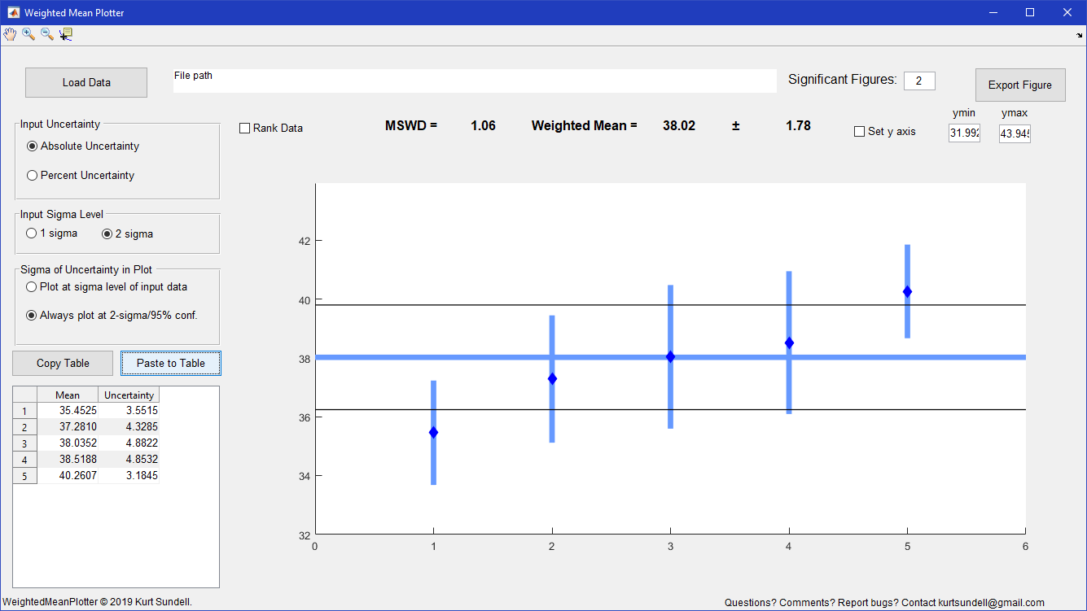
35.45245048 | 3.5515417618 | 38 | 1.8
37.280950795 | 4.3284876971
38.035176682 | 4.8822048834
38.518845433 | 4.8532178797
40.260709369 | 3.1845236936

300618-02
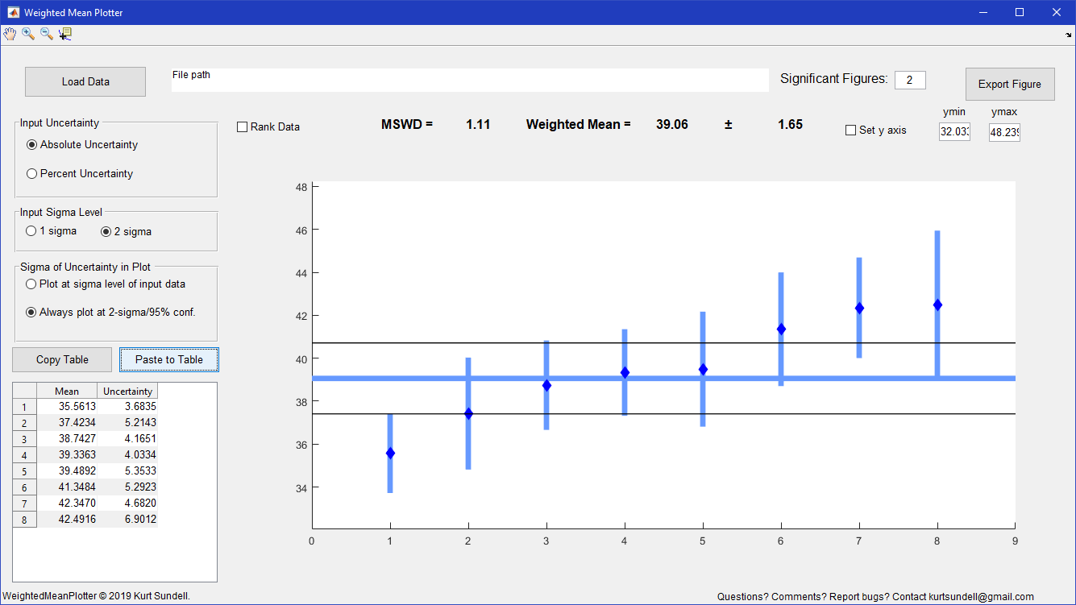
35.561255472 | 3.6835331076 | 39.1 | 1.7
37.423382113 | 5.2143218077
38.742688343 | 4.1651292225
39.336275956 | 4.0333688393
39.489168626 | 5.3532871899
41.348422331 | 5.2922754912
42.34695108 | 4.6819742803
42.491560558 | 6.9011987221

300618-03
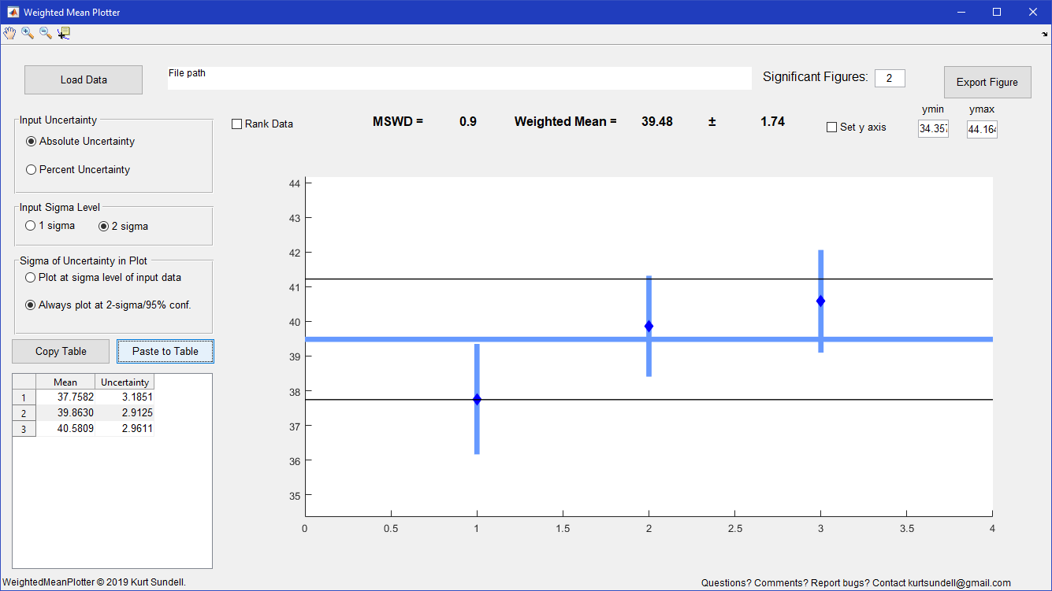
37.758243837 | 3.1850901302 | 39.5 | 1.7
39.862968992 | 2.9125043534
40.580897739 | 2.9611216215

300618-04
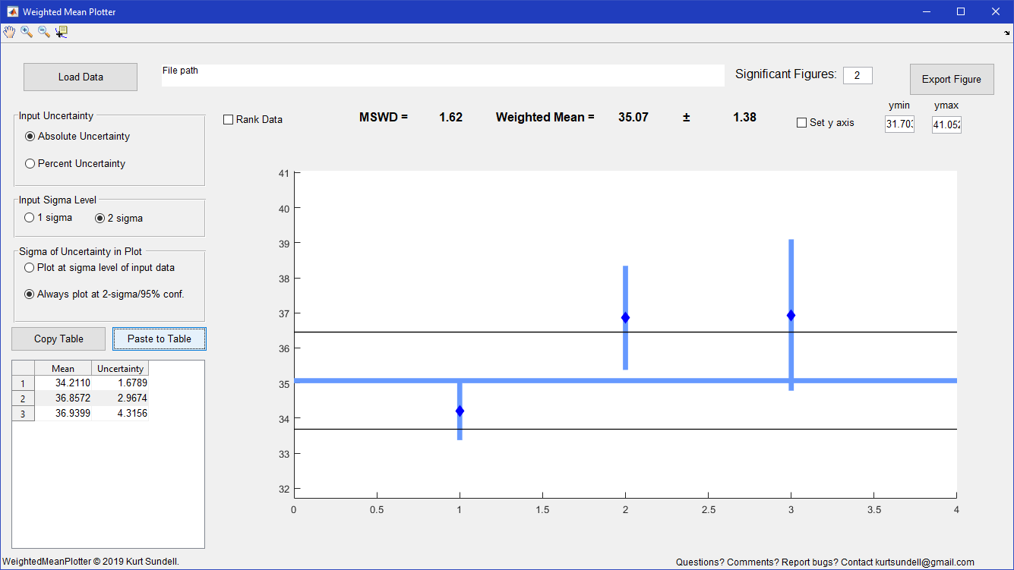
34.210987264 | 1.6788921188 | 35.1 | 1.38
36.857157422 | 2.9674023792
36.939870546 | 4.3155759445

300618-05
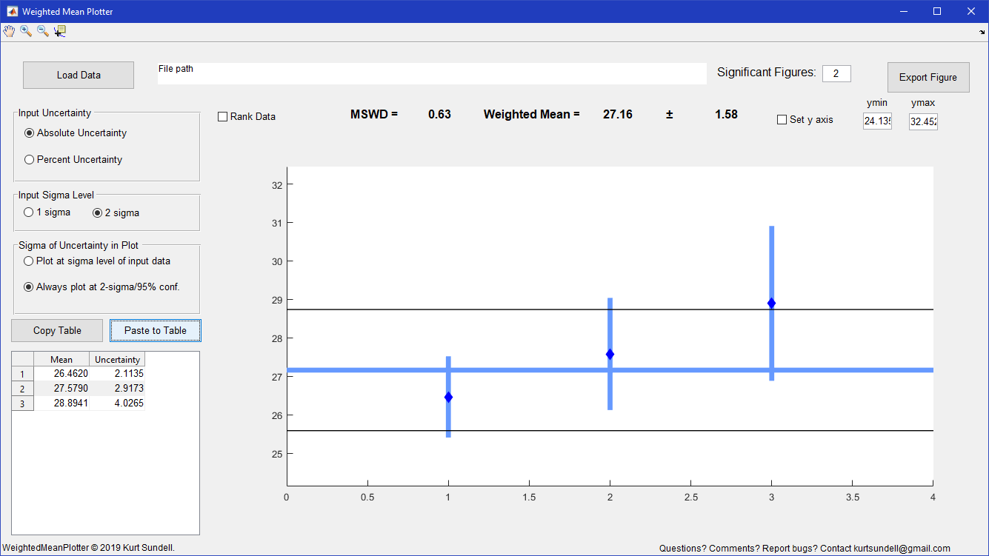
26.462016417 | 2.113530031 | 27.2 | 1.6
27.578957917 | 2.9172864897
28.894113377 | 4.0265136382

300618-06
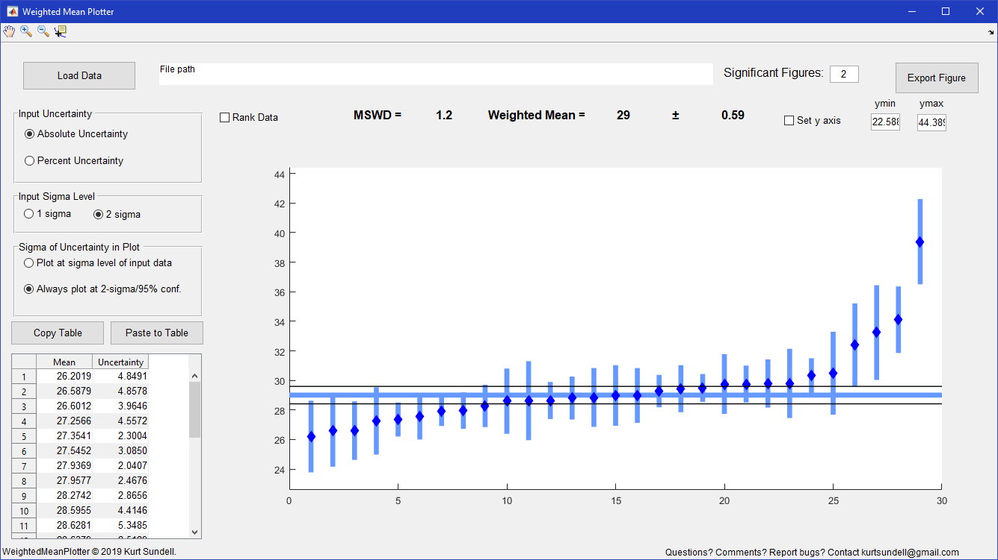
26.20189212 | 4.8490733978 | 29 | 0.59
26.587929039 | 4.8577832561
26.601165888 | 3.9646028558
27.256640569 | 4.5571696499
27.354082947 | 2.3004187372
27.545153681 | 3.0849998117
27.936932275 | 2.0407154663
27.957668171 | 2.4676077136
28.274166139 | 2.865553706
28.595490569 | 4.4146326119
28.628086427 | 5.3484944407
28.637902617 | 2.5129162449
28.806256233 | 2.9072152862
28.84173764 | 3.9806618393
28.978505854 | 4.0962529008
28.982030798 | 3.7054146938
29.272704585 | 2.1959099319
29.435050098 | 3.1884089027
29.488087061 | 1.8803463479
29.753233473 | 4.0399455172
29.753663404 | 2.4935733185
29.789282165 | 3.2637249011
29.79484053 | 4.6840529473
30.32019762 | 2.3648559893
30.486680371 | 5.6102854843
32.415795482 | 5.5908091903
33.236643282 | 6.4069581795
34.106807846 | 4.50728791
39.390807392 | 5.7693164594

300618-07
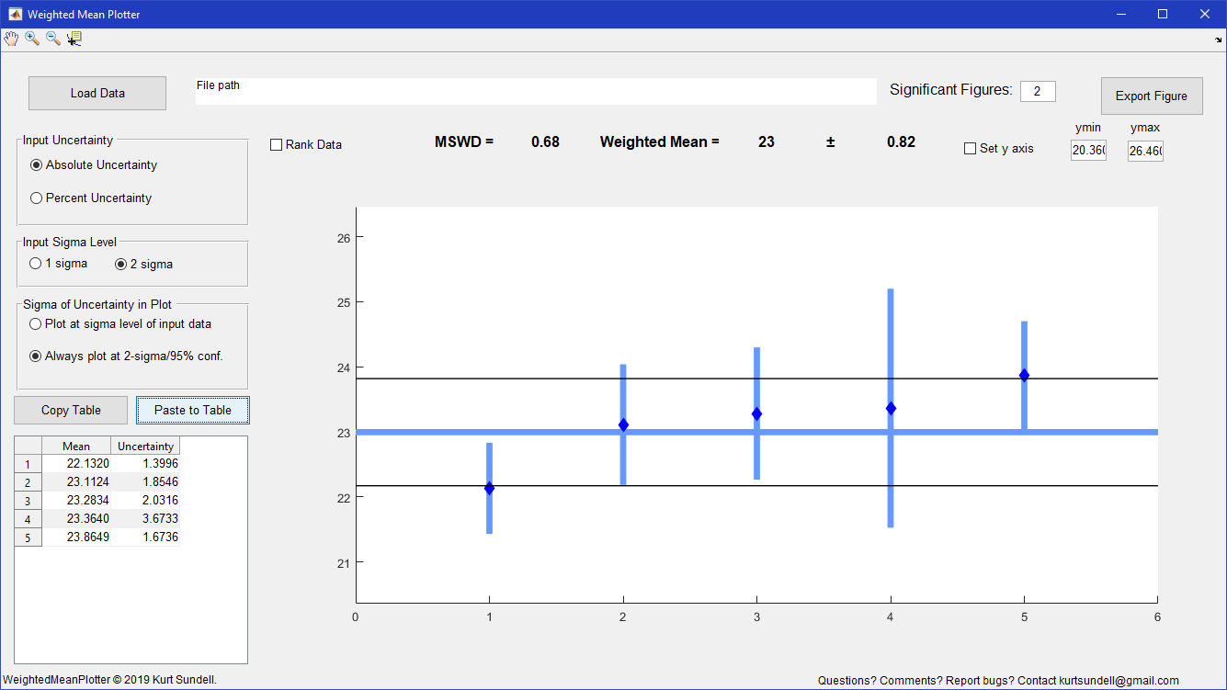
22.131979405 | 1.3996219271 | 23 | 0.82
23.112378317 | 1.8546148135
23.283350686 | 2.03159694
23.363983747 | 3.6733021447
23.864876231 | 1.6736132592

